Sheet1
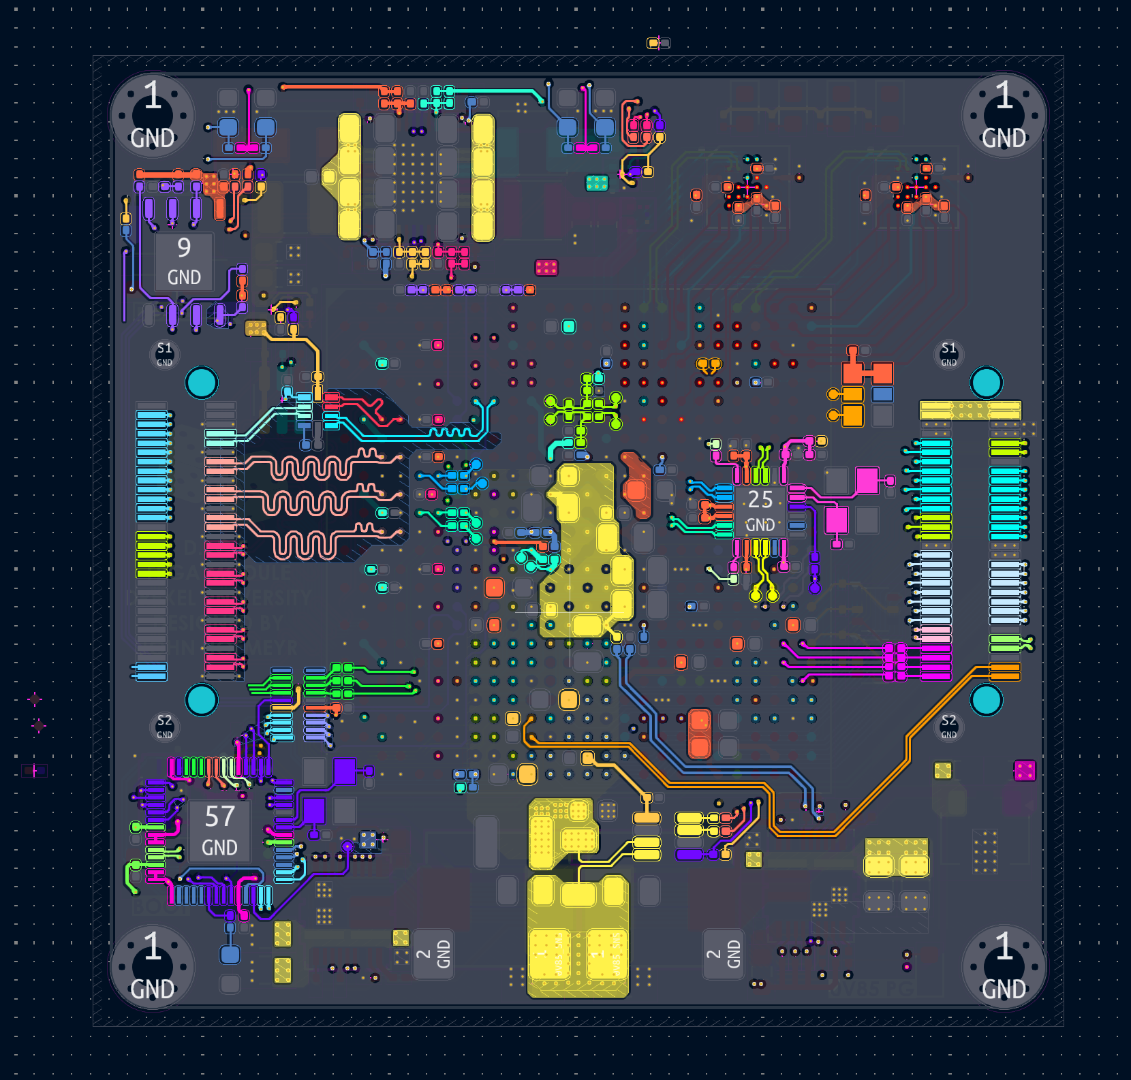
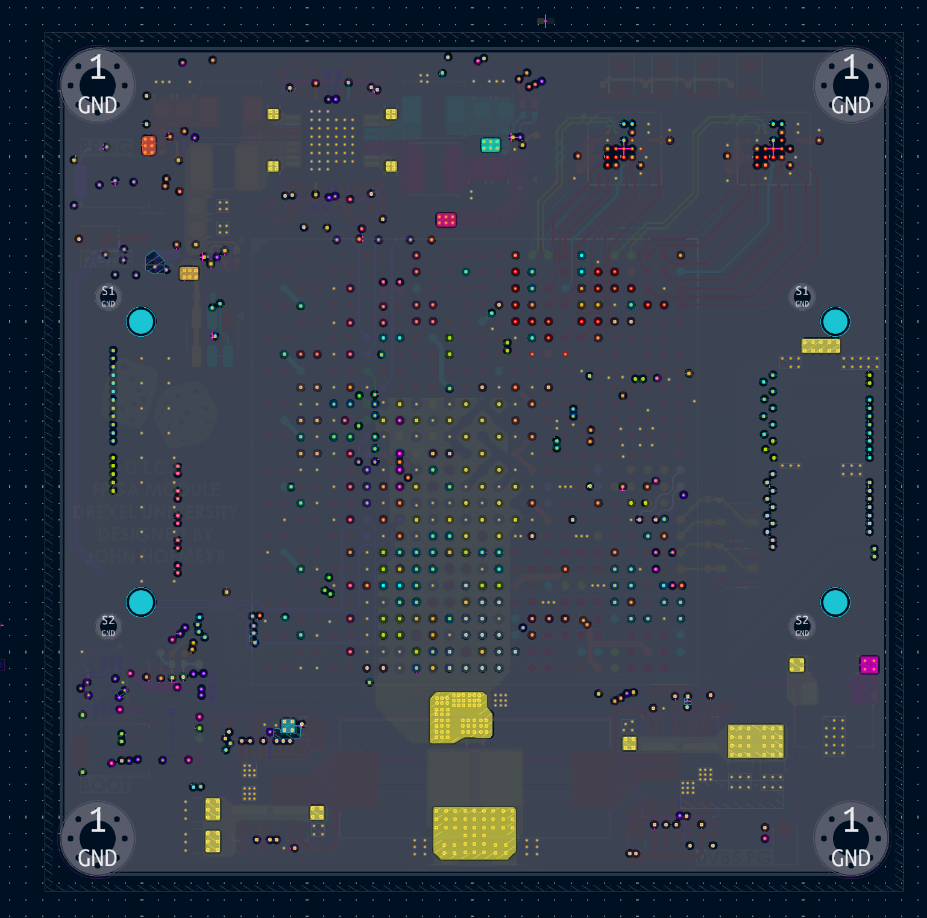

MCU + CFG MEM
Multi-ch DCDC

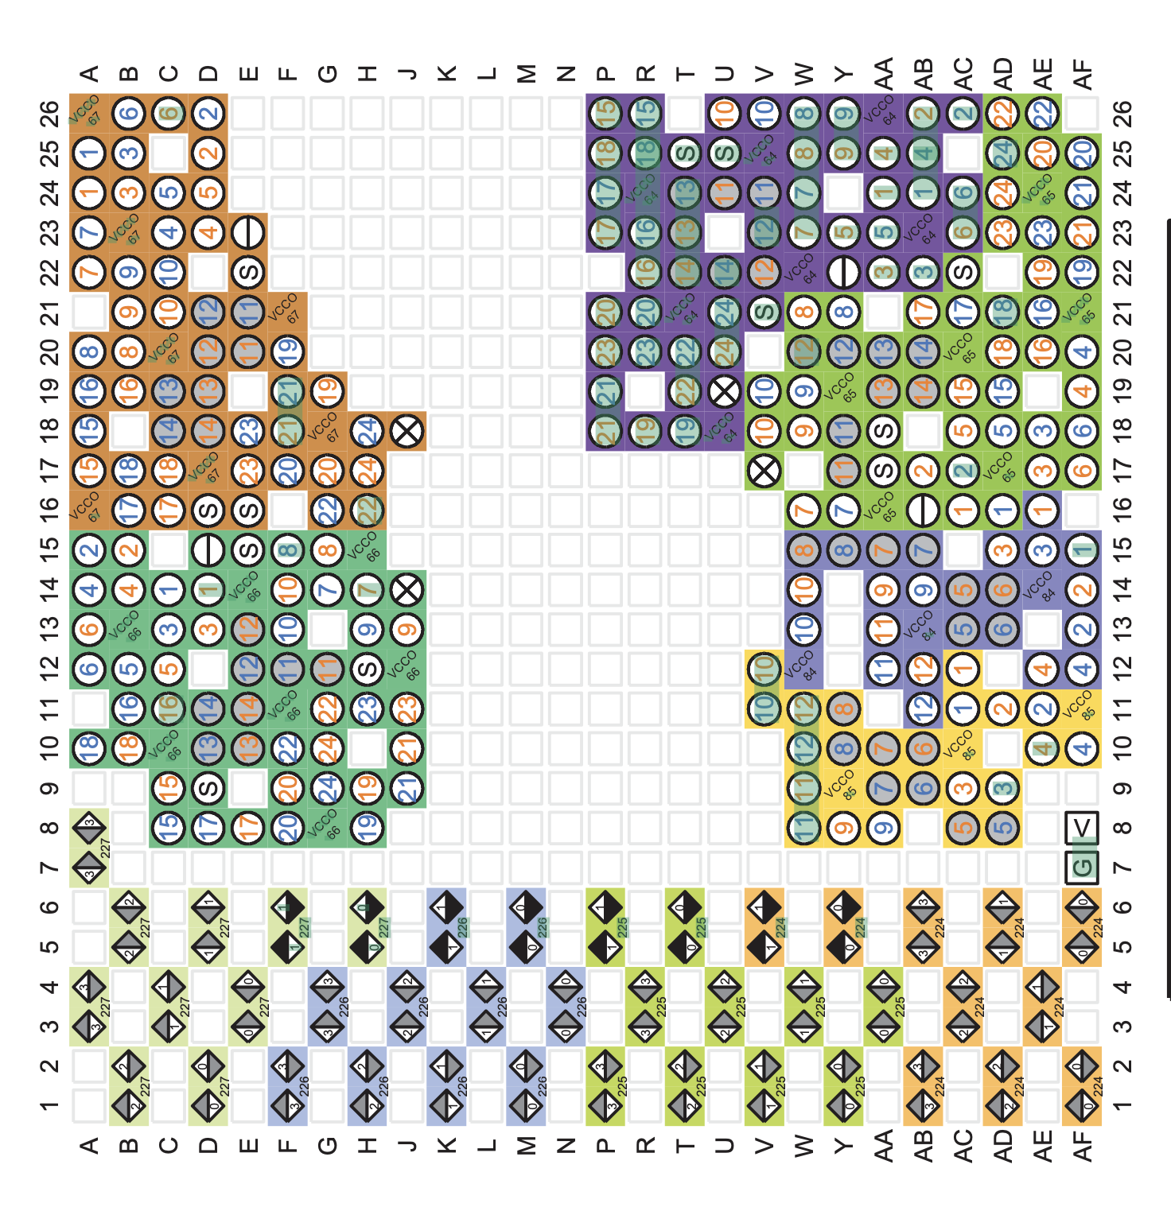

Memory 0/1

40A VCCINT DCDC
Memory 2/3

